Tabelle1
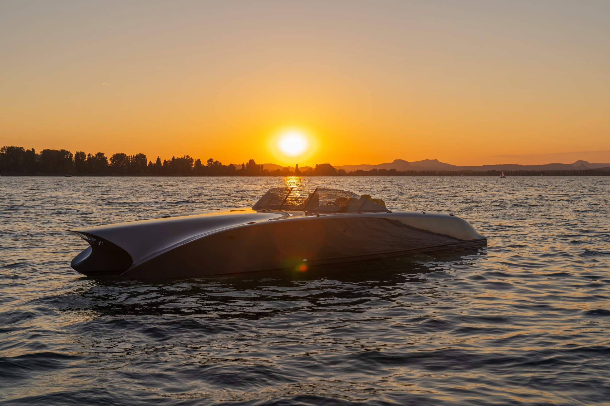

Twiel Z7 / World Premiere 2025

Twiel - Shadow Line -
TECHNICAL DATA

Manufacturer: | MIZU
Model: | Twiel Z7
Design: | Catamaran

Hull length: | 7.90 m
Width: | 2.55 m
Draft: | approx. 0.60 m
Displacement: | 1.6 T
Hull type: | Glider
Material: | Wood, abachi, pine, mahogany
Max. allowed crew: | 6 Persons

Drive type: | Electric / Shaft
Engine power: | 2 x 20 kW
Engine hours: | NEW

Price: | CHF 387,000

STANDARD EQUIPMENT
Hydraulic steering
Engine display
Hertz sound system
MIZU Shox seats & sun lounger with backrest
Navigation lights
LED lighting
Automatic bilge pump
Storage compartments
Tarpaulin / Cover
Sun protection
6 x cleats, Shadow Line
RAL paint finish
Tinted windshield
Wooden steering wheel
Hatch in the bow
Anchor locker
Swimming ladder incl. handle
Railing
Batteries (4 pieces)
2 x charging cable
Twiel lettering

OPTIONAL EQUIPMENT |  | Price incl. VAT | Option | Selection

Sunbathing mat for bow upper deck |  | CHF 1,318 |  | CHF 0 | FALSE
Refrigerator |  | CHF 1,888 |  | CHF 0 | FALSE
Yacht name |  | auf Anfrage |  | CHF 0 | FALSE
Underwater lighting single color |  | CHF 2,694 |  | CHF 0 | FALSE
Underwater lighting multicolored |  | CHF 3,908 |  | CHF 0 | FALSE
Electrical anchor winch |  | CHF 5,564 |  | CHF 0 | FALSE
Stainless steel anchor |  | CHF 3,064 |  | CHF 0 | FALSE
Fender Twiel design |  | auf Anfrage |  | CHF 0 | FALSE
Twiel wood design |  | auf Anfrage |  | CHF 0 | FALSE
Winter cover |  | auf Anfrage |  | CHF 0 | FALSE
Generator |  | auf Anfrage |  | CHF 0 | FALSE

Larger motors and batteries, as well as further accessories are available on request.

Price of boat incl. 8.1 % VAT |  |  |  | CHF 387,000
Price of optional equipment incl. 8.1 % VAT |  |  |  | CHF 0

Total price of Twiel incl. Equipment, ex Works |  |  |  | CHF 387,000
Errors and changes may occur. Valid until 31.12.2025
Our GTC apply. |  |  |  | As of 17.06.2025
MIZU Europe GmbH - Hofwisenstr. 17 - 8260 Stein am Rhein - www.twiel.ch - www.mizu-marine.ch -

